Sheet1
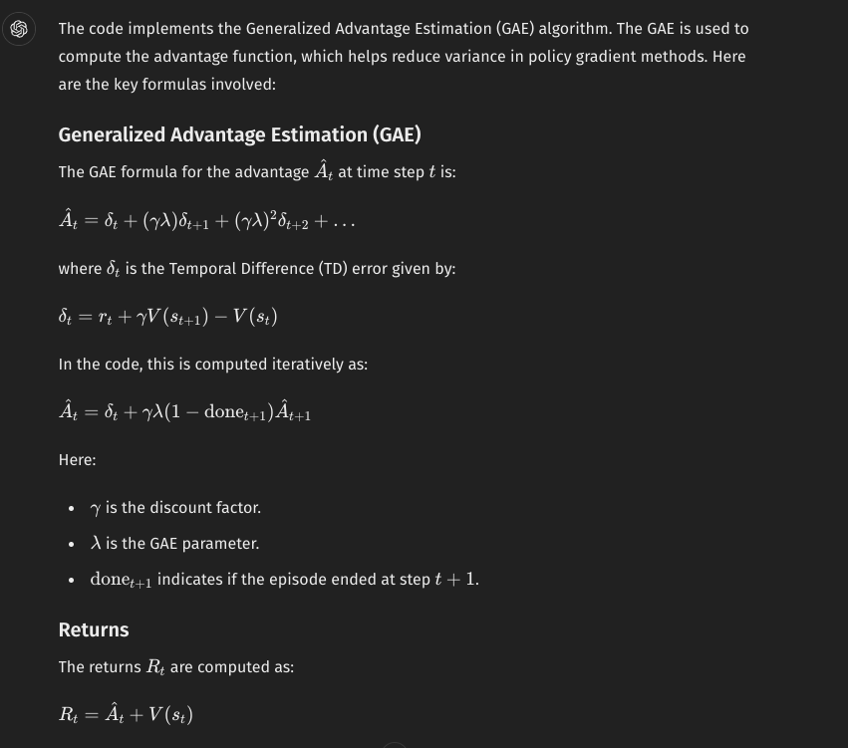
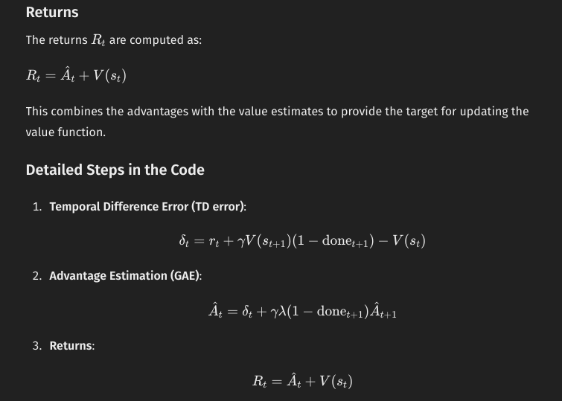
 | input channels | padding | dilation | kernel size | output channels | stride
Conv2D | 4 | 0 | 1 | 8 | 32 | 4

 | batch size | channels | height | width
Input size | 1 | 4 | 84 | 84

nn layer dim | nn.Conv2d(4, 32, 8, stride=4),

Output size | 20 |  | 20

